Sheet1
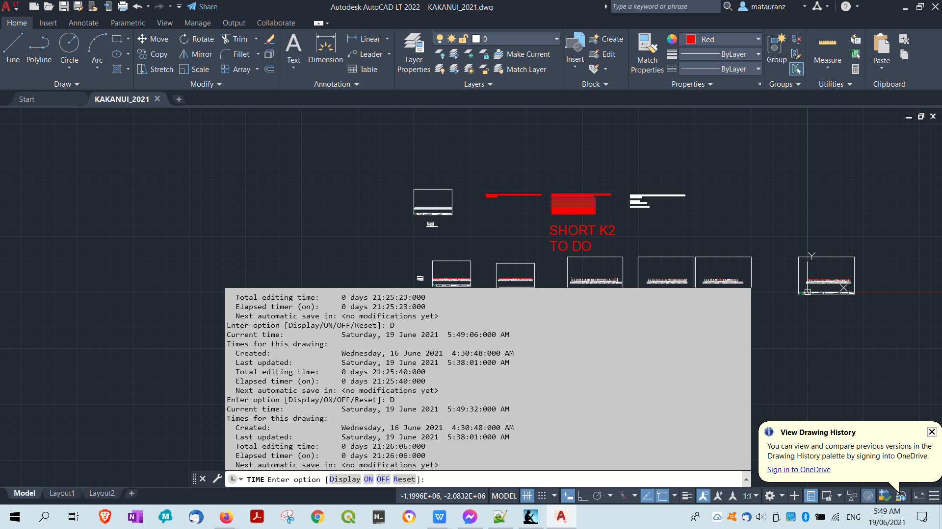

21.0 HOURS

21 | 30 | 630 | 7 SECTIONS | 3 HOURS

Opening an AutoCAD LT 2018/AutoCAD 2018 format file.
Regenerating model.
*Cancel*
Command:
Autodesk DWG. This file is a TrustedDWG last saved by an Autodesk application or Autodesk licensed application.
Command:
Command: TI
TILEMODE
Enter new value for TILEMODE <1>: *Cancel*
Command: *Cancel*
Command: *Cancel*
Command: *Cancel*
Command: TIME
Current time: Saturday, 19 June 2021 5:48:49:000 AM
Times for this drawing:
Created: Wednesday, 16 June 2021 4:30:48:000 AM
Last updated: Saturday, 19 June 2021 5:38:01:000 AM
Total editing time: 0 days 21:25:23:000
Elapsed timer (on): 0 days 21:25:23:000
Next automatic save in: <no modifications yet>
Enter option [Display/ON/OFF/Reset]: D
Current time: Saturday, 19 June 2021 5:49:06:000 AM
Times for this drawing:
Created: Wednesday, 16 June 2021 4:30:48:000 AM
Last updated: Saturday, 19 June 2021 5:38:01:000 AM
Total editing time: 0 days 21:25:40:000
Elapsed timer (on): 0 days 21:25:40:000
Next automatic save in: <no modifications yet>
Enter option [Display/ON/OFF/Reset]: D
Current time: Saturday, 19 June 2021 5:49:32:000 AM
Times for this drawing:
Created: Wednesday, 16 June 2021 4:30:48:000 AM
Last updated: Saturday, 19 June 2021 5:38:01:000 AM
Total editing time: 0 days 21:26:06:000
Elapsed timer (on): 0 days 21:26:06:000
Next automatic save in: <no modifications yet>
Enter option [Display/ON/OFF/Reset]: D
Current time: Saturday, 19 June 2021 5:55:33:000 AM
Times for this drawing:
Created: Wednesday, 16 June 2021 4:30:48:000 AM
Last updated: Saturday, 19 June 2021 5:38:01:000 AM
Total editing time: 0 days 21:32:07:000
Elapsed timer (on): 0 days 21:32:07:000
Next automatic save in: 0 days 00:09:54:669

